SimParam
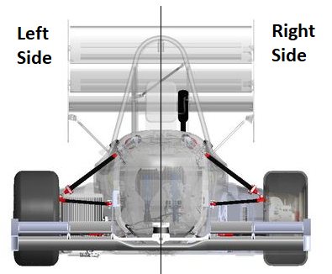
Simulation Characteristics |  |  |  | Program Caption
Run simulation for | 2 | s |  | mmks Unit System |  | Joint Types |  | Suspension Point | MATLAB ID
Time Step | 0.05 | s |  | Length | mm | Joint | MATLAB ID
Type of Simulation | Dyn | [Kin or Dyn] |  | Mass | kg | Spherical | Spherical
Gravity Direction |  | Global [x,y,z] |  | Force | N | SPH-SPH | CompSpherical
Gravity Magnitude |  | +g/-g |  | Time | s | Universal | Universal
Units System | mmks | [SI/MKS or MMKS] |  | Inertia | kg*mm^-2 | Revolute | Revolute
Post Processing |  | [Yes or No] |  | Angle | Rad | Cylindrical | Cylindrical
 |  |  |  | g | mm*s^-2 | Translation | Translation
 |  |  |  |  |  | SphRev | SphRev
Graphics (Select the Desired Graphics) |  |  |  |  |  | TraRev | TraRev
Position | Yes | [Yes or No] |  |  |  | Ground | Ground
Translational Velocity | Yes | [Yes or No] |  |  |  | Driver | Driver
Angular Velocity | Yes | [Yes or No] |  | MKS Unit System |  | Simple | Simple
Translational Acceleration | Yes | [Yes or No] |  | Length | m | Points | Points
Angular Acceleration | Yes | [Yes or No] |  | Mass | kg | Force Elements Types
Center of Mass | Yes | [Yes or No] |  | Force | N | Force Element | MATLAB ID
Joints |  | [Yes or No] |  | Time | s | Translational Spring | Spring
Bodies | 2 | [Enumerate the Bodies Numbers and plots CoM values] | Points [Enumerate the Points to plot Points values - Use the order from the Joints Tab] | Inertia | kg*m^-2 | Translational Damper | Damper
 | 3 |  |  | Angle | Rad | Rotational Spring | Tspring
 | 4 |  |  | g | m*s^-2 | Force Actuator | Actuator

